Sheet1
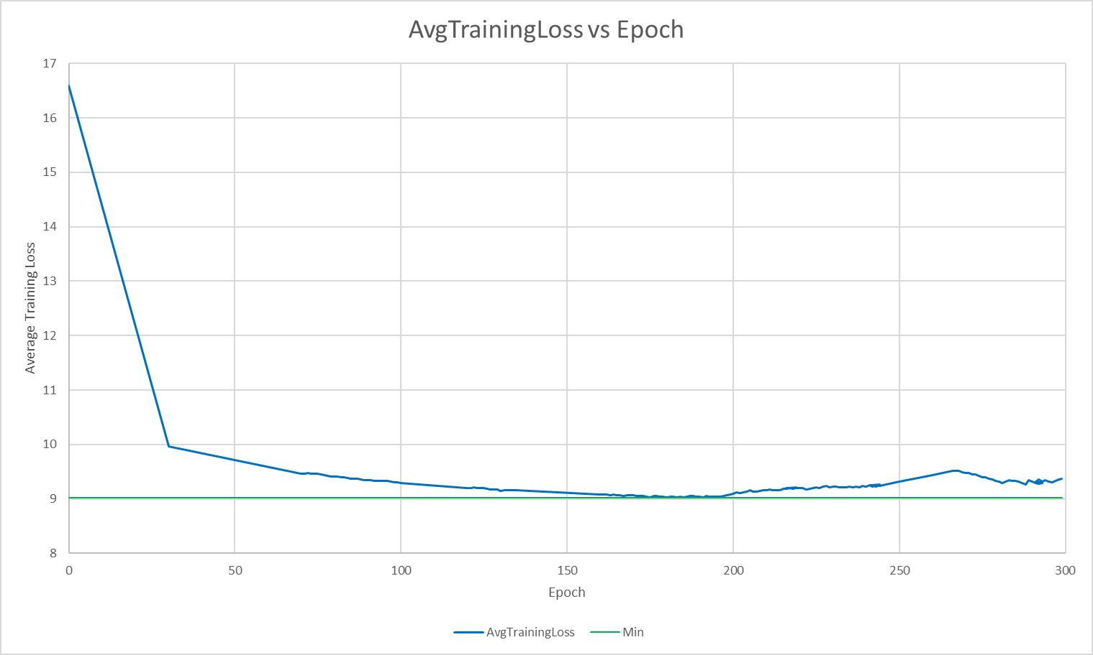
Epoch | AvgTrainingLoss | Min | Min? | min epoch
0 | 16.5843 | 9.0228 | #N/A
30 | 9.9641 | 9.0228 | #N/A
70 | 9.462 | 9.0228 | #N/A |  | Taken by hand
71 | 9.462 | 9.0228 | #N/A |  | 0 | 30 | 70 | 100 | 120 | 160 | 250 | 260
72 | 9.4716 | 9.0228 | #N/A |  | 16.5843 | 9.9641 | 9.462 | 9.2909 | 9.2025 | 9.0776 | 9.3188 | 9.4322
73 | 9.4586 | 9.0228 | #N/A
74 | 9.4638 | 9.0228 | #N/A
75 | 9.4616 | 9.0228 | #N/A
76 | 9.4507 | 9.0228 | #N/A
77 | 9.435 | 9.0228 | #N/A
78 | 9.4217 | 9.0228 | #N/A
79 | 9.4137 | 9.0228 | #N/A
80 | 9.4158 | 9.0228 | #N/A
81 | 9.4125 | 9.0228 | #N/A
82 | 9.3964 | 9.0228 | #N/A
83 | 9.4026 | 9.0228 | #N/A
84 | 9.3805 | 9.0228 | #N/A
85 | 9.3706 | 9.0228 | #N/A
86 | 9.3665 | 9.0228 | #N/A
87 | 9.3679 | 9.0228 | #N/A
88 | 9.3531 | 9.0228 | #N/A
89 | 9.3493 | 9.0228 | #N/A
90 | 9.3455 | 9.0228 | #N/A
91 | 9.3385 | 9.0228 | #N/A
92 | 9.331 | 9.0228 | #N/A
93 | 9.3341 | 9.0228 | #N/A
94 | 9.3302 | 9.0228 | #N/A
95 | 9.3286 | 9.0228 | #N/A
96 | 9.3244 | 9.0228 | #N/A
97 | 9.3143 | 9.0228 | #N/A
98 | 9.306 | 9.0228 | #N/A
99 | 9.3089 | 9.0228 | #N/A
100 | 9.2909 | 9.0228 | #N/A
120 | 9.2025 | 9.0228 | #N/A
121 | 9.2025 | 9.0228 | #N/A
122 | 9.2122 | 9.0228 | #N/A
123 | 9.1946 | 9.0228 | #N/A
124 | 9.1955 | 9.0228 | #N/A
125 | 9.1934 | 9.0228 | #N/A
126 | 9.1918 | 9.0228 | #N/A
127 | 9.1683 | 9.0228 | #N/A
128 | 9.1742 | 9.0228 | #N/A
129 | 9.1703 | 9.0228 | #N/A
130 | 9.15 | 9.0228 | #N/A
131 | 9.1569 | 9.0228 | #N/A
132 | 9.1618 | 9.0228 | #N/A
133 | 9.1627 | 9.0228 | #N/A
134 | 9.1571 | 9.0228 | #N/A
135 | 9.1587 | 9.0228 | #N/A
160 | 9.0776 | 9.0228 | #N/A
161 | 9.0776 | 9.0228 | #N/A
162 | 9.0847 | 9.0228 | #N/A
163 | 9.0726 | 9.0228 | #N/A
164 | 9.0738 | 9.0228 | #N/A
165 | 9.0679 | 9.0228 | #N/A
166 | 9.0684 | 9.0228 | #N/A
167 | 9.0599 | 9.0228 | #N/A
168 | 9.0612 | 9.0228 | #N/A
169 | 9.066 | 9.0228 | #N/A
170 | 9.0652 | 9.0228 | #N/A
171 | 9.0562 | 9.0228 | #N/A
172 | 9.0535 | 9.0228 | #N/A
173 | 9.0516 | 9.0228 | #N/A
174 | 9.0388 | 9.0228 | #N/A
175 | 9.0331 | 9.0228 | #N/A
176 | 9.0493 | 9.0228 | #N/A
177 | 9.0501 | 9.0228 | #N/A
178 | 9.0466 | 9.0228 | #N/A
179 | 9.0387 | 9.0228 | #N/A
180 | 9.0336 | 9.0228 | #N/A
181 | 9.0424 | 9.0228 | #N/A
182 | 9.0383 | 9.0228 | #N/A
183 | 9.0228 | 9.0228 | 9.0228
184 | 9.0389 | 9.0228 | #N/A
185 | 9.0317 | 9.0228 | #N/A
186 | 9.0445 | 9.0228 | #N/A
187 | 9.0557 | 9.0228 | #N/A
188 | 9.0504 | 9.0228 | #N/A
189 | 9.0465 | 9.0228 | #N/A
190 | 9.0435 | 9.0228 | #N/A
191 | 9.0316 | 9.0228 | #N/A
192 | 9.058 | 9.0228 | #N/A
193 | 9.0436 | 9.0228 | #N/A
194 | 9.0447 | 9.0228 | #N/A
195 | 9.0349 | 9.0228 | #N/A
196 | 9.0428 | 9.0228 | #N/A
197 | 9.0547 | 9.0228 | #N/A
198 | 9.0652 | 9.0228 | #N/A
199 | 9.0788 | 9.0228 | #N/A
200 | 9.0988 | 9.0228 | #N/A
201 | 9.1153 | 9.0228 | #N/A
202 | 9.1068 | 9.0228 | #N/A
203 | 9.1213 | 9.0228 | #N/A
204 | 9.1395 | 9.0228 | #N/A
205 | 9.156 | 9.0228 | #N/A
206 | 9.1366 | 9.0228 | #N/A
207 | 9.1317 | 9.0228 | #N/A
208 | 9.1457 | 9.0228 | #N/A
209 | 9.1566 | 9.0228 | #N/A
210 | 9.1653 | 9.0228 | #N/A
211 | 9.1662 | 9.0228 | #N/A
212 | 9.1636 | 9.0228 | #N/A
213 | 9.1654 | 9.0228 | #N/A
214 | 9.1613 | 9.0228 | #N/A
215 | 9.1815 | 9.0228 | #N/A
216 | 9.1878 | 9.0228 | #N/A
217 | 9.1931 | 9.0228 | #N/A
218 | 9.1813 | 9.0228 | #N/A
219 | 9.2068 | 9.0228 | #N/A
216 | 9.1934 | 9.0228 | #N/A
217 | 9.2043 | 9.0228 | #N/A
218 | 9.1934 | 9.0228 | #N/A
219 | 9.2001 | 9.0228 | #N/A
220 | 9.1949 | 9.0228 | #N/A
221 | 9.1933 | 9.0228 | #N/A
222 | 9.1762 | 9.0228 | #N/A
223 | 9.1894 | 9.0228 | #N/A
224 | 9.2018 | 9.0228 | #N/A
225 | 9.2168 | 9.0228 | #N/A
226 | 9.2036 | 9.0228 | #N/A
227 | 9.227 | 9.0228 | #N/A
228 | 9.2359 | 9.0228 | #N/A
229 | 9.2182 | 9.0228 | #N/A
230 | 9.2256 | 9.0228 | #N/A
231 | 9.2193 | 9.0228 | #N/A
232 | 9.2135 | 9.0228 | #N/A
233 | 9.2098 | 9.0228 | #N/A
234 | 9.2078 | 9.0228 | #N/A
235 | 9.2192 | 9.0228 | #N/A
236 | 9.2133 | 9.0228 | #N/A
237 | 9.2196 | 9.0228 | #N/A
238 | 9.2141 | 9.0228 | #N/A
239 | 9.2324 | 9.0228 | #N/A
240 | 9.2289 | 9.0228 | #N/A
241 | 9.2462 | 9.0228 | #N/A
242 | 9.2532 | 9.0228 | #N/A
243 | 9.2311 | 9.0228 | #N/A
244 | 9.2601 | 9.0228 | #N/A
241 | 9.2469 | 9.0228 | #N/A
242 | 9.2309 | 9.0228 | #N/A
243 | 9.2553 | 9.0228 | #N/A
244 | 9.2401 | 9.0228 | #N/A
245 | 9.2572 | 9.0228 | #N/A
250 | 9.3188 | 9.0228 | #N/A
260 | 9.4322 | 9.0228 | #N/A
266 | 9.5162 | 9.0228 | #N/A
267 | 9.5129 | 9.0228 | #N/A
268 | 9.5107 | 9.0228 | #N/A
269 | 9.4915 | 9.0228 | #N/A
270 | 9.4737 | 9.0228 | #N/A
271 | 9.4785 | 9.0228 | #N/A
272 | 9.4543 | 9.0228 | #N/A
273 | 9.4496 | 9.0228 | #N/A
274 | 9.4178 | 9.0228 | #N/A
275 | 9.3965 | 9.0228 | #N/A
276 | 9.4 | 9.0228 | #N/A
277 | 9.367 | 9.0228 | #N/A
278 | 9.3593 | 9.0228 | #N/A
279 | 9.3357 | 9.0228 | #N/A
280 | 9.3162 | 9.0228 | #N/A
281 | 9.2971 | 9.0228 | #N/A
282 | 9.3128 | 9.0228 | #N/A
283 | 9.3436 | 9.0228 | #N/A
284 | 9.3245 | 9.0228 | #N/A
285 | 9.3336 | 9.0228 | #N/A
286 | 9.3233 | 9.0228 | #N/A
287 | 9.2851 | 9.0228 | #N/A
288 | 9.2711 | 9.0228 | #N/A
289 | 9.3432 | 9.0228 | #N/A
290 | 9.3137 | 9.0228 | #N/A
291 | 9.2906 | 9.0228 | #N/A
292 | 9.2716 | 9.0228 | #N/A
293 | 9.2897 | 9.0228 | #N/A
291 | 9.3179 | 9.0228 | #N/A
292 | 9.354 | 9.0228 | #N/A
293 | 9.3201 | 9.0228 | #N/A
294 | 9.345 | 9.0228 | #N/A
295 | 9.3213 | 9.0228 | #N/A
296 | 9.3068 | 9.0228 | #N/A
297 | 9.3285 | 9.0228 | #N/A
298 | 9.3522 | 9.0228 | #N/A
299 | 9.3668 | 9.0228 | #N/A

